The 21 Compensation Events
Defined Cost plus fee is used to assess compensation events in all NEC4 ECC main options (A-F).
For Main Option A (priced contract with activity schedule) and Main Option B (priced contract with bill of quantities), Defined Cost is the cost of people, equipment, plant, materials, and subcontractor costs, as stated in the Short Schedule of Cost Components (SSCC).
For Options C, D, E and F (target cost or cost-reimbursable), clause 52.1 defines defined cost as the actual cost of the components contained in agreed Schedule of Cost Components (SCC).
The rights to changes in Prices, Completion Date, and Key Dates are the parties' ONLY rights in respect of a CE (Clause 66.2).
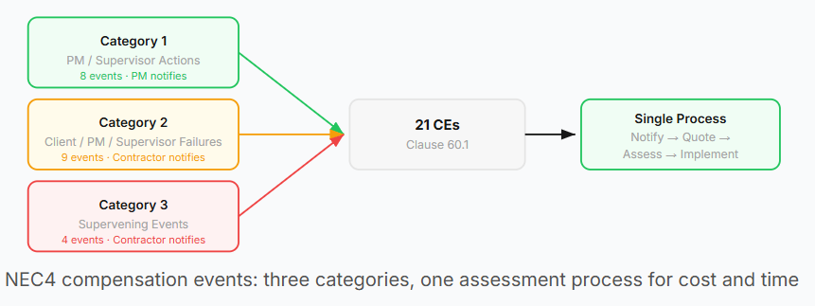
The wording of each clause has been modified from the original NEC4 contract wording to avoid reproducing copyrighted text.
Category 1: PM / Supervisor actions (PM notifies under clause 61.1) 8 week time bar does NOT apply
60.1(1) | PM instructs a change to the Scope. except for: - Change made to accept a defect - Change to Contractor-designed Scope or to comply with the Client's Scope. | Does the instruction change what the Contractor must do or provide?
60.1(4) | PM instructs the Contractor to stop or not start work, or changes a Key Date | Was a formal instruction issued?
60.1(7) | PM instructs the Contractor to deal with an object of value or historical interest | Was the instruction given and was the object genuinely encountered?
60.1(8) | PM or Supervisor changes a decision already communicated to the Contractor. | Has the Contractor already incurred cost or changed its plans based on the original decision?
60.1(10) | Supervisor instructs the Contractor to search for a Defect and no Defect is found | Was the search carried out and did it confirm there was no Defect?
60.1(15) | PM certifies take over of part of the works before both Completion and the Completion Date | Was take over certified earlier than both Completion and Completion Date?
60.1(17) | PM corrects an assumption about a compensation event which has a later assessed effect | Was the original CE assessment based on a stated assumption that has now proved wrong?
60.1(20) | PM notifies the Contractor that a proposed instruction will not be given (NEC4 addition) | Did the Contractor incur cost preparing a quotation for the proposed instruction
Category 2: Client, PM, or Supervisor failures (Contractor notifies under clause 61.3) 8 week time bar DOES apply
60.1(2) | Client does not allow access to and use of the site by the later of its access date and the Accepted Programme date | Has the access date in the Contract Data or Accepted Programme passed?
60.1(3) | Client does not provide something they are to provide by the date stated on the Accepted programme | Was the item contractually required and was the date missed?
60.1(5) | Contractor encounters work by the Client or Others not stated in the Scope | Was the work undisclosed in the Scope documents?
60.1(6) | PM or Supervisor does not reply to a communication within the period required by the contract | Has the contractual reply period expired without a response?
60.1(9) | PM withholds acceptance without a valid reason which is noted in the contract. | Was acceptance withheld without a contractual reason?
60.1(11) | A test or inspection carried out by the Supervisor causes unnecessary delay. | Was this part of routine testing and inspection that are reasonably planned?
60.1(14) | An event which is the Client's Liability stated under the conditions of contract. | This could apply where the client is liable under risk register / allocation provisions or secondary option or Z clauses under the Comtract. Whose risk is it contractually?
60.1(16) | Client does not provide test or inspection facilities stated in the Scope | Were facilities specified in the Scope and not provided on time?
60.1(18) | A breach of contract by the Client which is not one of the other compensation events | Is there a breach by the Client that does not fall within another CE category?
Category 3: Supervening events (Contractor notifies under clause 61.3) 8 week time bar DOES apply
60.1(12) | Contractor encounters physical conditions (not weather) that an experienced contractor would have judged unreasonable to allow for at the Contract Date | Were the conditions so unlikely at Contract Date that it was unreasonable to allow for them?
60.1(13) | Weather measurement exceeds the 1 in 10 year threshold stated in the Contract Data | Does the measurement exceed the 1 in 10 year value for that calendar month?
60.1(19) | An unpreventable event that a Contractor would have judged unreasonable to allow for and stops the Contractor completing the whole of the works or by the date for planned Completion. | Was the event unpreventable by either party and unreasonably unlikely to allow for at Contract Date? i.e. a major natural disaster
60.1(21) | An additional compensation event stated in the Contract Data part 1 (NEC4) | Has the Client included bespoke CEs in Contract Data Part 1?

Flow Chart
Event has occurred or is expected to occur

The PM has made their own assessment and notifies the Contractor under Clause 66.1. → Compensation event implemented under Clause 66.2.

PM notifies in accordance with Clause 61.1. The standard 8 week time bar does NOT apply to CE that the PM is contractually required to notify.
Contractor notifies in accordance with Clause 61.3. If the Contractor does not notify within 8 weeks of becoming aware, the Prices, Completion Date, and Key Dates are NOT changed.
The Contractor must submit their quotations within 3 weeks of being instructed by the PM (62.3).
The Quotation must include the following:
1: Changes to the Prices.
2: Delay to the overall Completion Date and/or Key Dates.
3: Details that substantiate the time and cost impact.
The PM must reply within 2 weeks of the submission and can either accept, make their own assessment, or ask the Contractor to revise under Clause 62.3. If the PM fails to respond, the Contractor can notify the failure under Clause 62.6. After a further 2 weeks, the quotation is treated as accepted.
PM makes their own assessment for the following reasons stated under Clause 64.1.
1) PM decides the Contractor quotation is incorrect.
2) Contractor has failed to submit their quotation within 3 weeks.
3) Contractor fails to submit a revised programme.
4) PM rejects the Contractors latest programme.

PM instructs a revised Quotation, explaining reasons. The Contractor has 3 weeks to resubmit as per clause 62.4

ACCEPT
The PM must notify the Contractor within 1 week under Clause 61.4 that the event is a CE and instructs them to submit quotations
REJECT
The PM can reject the CE if the event arises from Contractor fault, hasn't happened / not expected, or is not listed as a CE within the Contract Data. It's crucial that the PM is aware of the 1 week time bar under Clause 61.4, otherwise the Contractor can notify the failure to reply. If no response is provided after 2 weeks, the CE notification is treated as accepted.

REVISE
PM accepts quotation under Clause 66.1 or fails to respond within the contractual timeframe. → Compensation event implemented under Clause 66.2.

PM ASSESMENT

PM ACCEPTS OR FAILS TO RESPOND

